Simple function (2)
Calculate the Sum, Count, Average, Maximum and Minimum in the space provided below. The formulae should be draggable horizontally.
Over-arching principle : | Use one formula to populate the entire first table
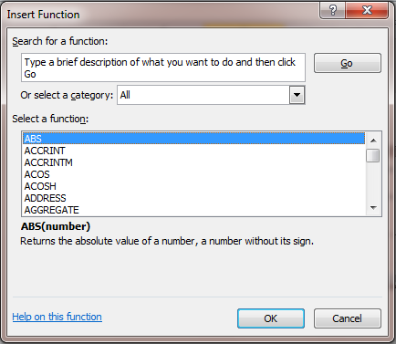
Date | TATA STEEL | RELIANCE | JSW
1-May-12 | 295 | 1245 | 728
2-May-12 | 296 | 1350 | 729
3-May-12 | 533 | 1350 | 732
4-May-12 | 456 | 1350 | 738
5-May-12 | 296 | 1400 | 745
6-May-12 | 536 | 1100 | 742
7-May-12 | 234 | 1250 | 741
8-May-12 | 300 | 1275 | 740

Descriptives
Total | 2946 | 10320 | 5895
Count | 8 | 8 | 8
Average | 368.25 | 1290 | 736.875
Maximum | 536 | 1400 | 745
Minimum | 234 | 1100 | 728
CountA | 8 | 8 | 8 | Count A function also counts the values that are alphabets and not just digits.

